PTHL
 | Stock Market Trading Thesis - July 2025 |  |  |  |  |  |  |  |  |  | TICKERS : PTHL & USPT |  |  |  |  |  | Disclaimer
 | Produced By Moses & Theodore |  |  |  |  |  |  |  | Catalyst Summary | Metrics & Fundamnetals | Live Trading Chart | MA 20,50,100 DAY Chart | Analyst Report

 | Catalyst Summary |  |  |  |  |  |  |  | Metrics and Fundamentals

 | 1 | Strategic Partnership with GILD |  |  |  |  |  |  | Current Price: $22.13 | Target Price: $48.00 - $55.00

 | PTHL is in late-stage negotiations with Gilead Sciences for a 30% equity stake and 2 board seats. This alliance |  |  |  |  |  |  |  | Upside: 120% - 150% | Investment Period: 20-50 Trading Day
 | is expected to unlock access to global distribution, AI drug integration, and clinical trial support. If confirmed,
 | this partnership turns PTHL from a niche medtech player into a serious global platform in oncology. |  |  |  |  |  |  |  | Key Product: FTTPS Radiotherapy System | Market Cap Est.:$500M – $1.5B (Projected)


 | 2 | Oncology Innovation & TAM Expansion |  |  |  |  |  |  | Partnership: Gilead Sciences (Expected)
 |  |  |  |  |  |  |  |  | Sector: Healthcare / MedTech / Oncology
 | PTHL’s intelligent TPS radiotherapy platform addresses a fast-growing segment in global oncology. With less than 40% |  |  |  |  |  |  |  | Geographic Focus: China + Global Expansion
 | radiotherapy penetration in China (vs. 70% in developed countries), upside is driven by underpenetrated markets. |  |  |  |  |  |  |  | Short Float: 18.07%
 | With the right execution, PTHL could scale across hospitals in China just as demand for cancer care surges. And with |  |  |  |  |  |  |  | Institutional Backing is increasing
 | GILD’s backing, they won’t stay regional for long.
 |  |  |  |  |  |  |  |  | NASDAQ | Position Details
 |  |  |  |  |  |  |  |  | Trade Value |  |  |  |  |  |  | 46,338.57 GBP (4:1 leverage)
 | 3 | Technical Breakout + Institutional Momentum |  |  |  |  |  |  | Entry Price |  |  |  |  |  |  | $20.84
 |  |  |  |  |  |  |  |  | Position Size |  |  |  |  |  |  | 3,000 shares
 | Price tells a story. Since July, PTHL has built a clean uptrend with higher lows, sharp breakouts, and strong volume. The |  |  |  |  |  |  |  | Broker |  |  |  |  |  |  | TradingView
 | $20.77 breakout was key; price ripped through resistance and held, which usually means smart money is positioning |  |  |  |  |  |  |  | Trade Date |  |  |  |  |  |  | 2025-07-11
 | ahead of something big. With short float still elevated and no major news drop yet, this looks like the kind of setup |  |  |  |  |  |  |  | Unrealized P&L (GBP) at 16:54 23/07/2025 |  |  |  |  |  |  | 6,171.45 GBP
 | institutions load before a headline hits. |  |  |  |  |  |  |  | Trade Type |  |  |  |  |  |  | Long
 |  |  |  |  |  |  |  |  | Holding Status |  |  |  |  |  |  | Open

 | PHTL Technical Analysis: Chart Breakdown

 | Chart : Live TradingView (1-Min)

 | 1 | Trade Analysis:
 | Entry Price: $20.84 | area of liquidity (highlighted by the blue arrow)
 | Price Action: Strong push toward $22.69 (recent high)

Classic Liquidity Grab Before Breakout Price momentarily flushes below local support, triggering stop-losses and luring in shorts, only to sharply reverse. This was the key signal: smart money clearing the path before initiating the next leg up. My entry at $20.84 followed immediately after this manipulation wick.
 | 2 | Holding Strength:
 | Trade held through pullbacks
 | Sitting at +£6,000 unrealized P&L
 | Price has returned to the top end of its breakout zone
 | 3 | Key Zones to Watch:
 | Support: $21.50 and $20.84
 | Resistance: $23.30, then $26.00

 | 4 | Trade Management Suggestion:
 | Stop Loss: Raise to $21.25 (locks in partial profit, still gives room to breathe)
 | Target 1: $25.00
 | Target 2: $28.00–$30.00 (50% fib extension from last breakout move)

 | Bull vs Bear |  |  |  |  | Strategic Summary |  |  | Valuation Scenarios |  |  | Trade Timeline
 | Scenario | Target Price | Assumption |  |  | Element | Observation |  | Bull Case | Bear Case |  | Date | Event | Price | Note
 | Conservative | $35.00 | GILD confirms equity but limited commercial traction |  |  | Trend Structure | Higher highs + higher lows (bullish) |  | GILD deal confirmed | GILD walks away or delays deal |  | 11-Jul-25 | Entry Executed | $20.84 | Breakout through key resistance
 | Base Case | $48.00 | GILD deal + China market adoption + oncology TAM tailwind |  |  | Entry Confirmation | Clean breakout retest |  | Strong TAM story in China | China rollout delayed |  | 17-Jul-25 | Support Re-tested | $21.00 | Pullback held
 | Bull Case | $55.00+ | US market exposure + full AI integration with GILD |  |  | Momentum | Reacceleration post-consolidation |  | Technical setup is textbook breakout | Price fails to hold $21.00 |  | 21-Jul-25 | P&L crosses +£3,000 | $22.44 | Momentum returns
 |  |  |  |  |  | Live Position Strength | Green P&L and no sign of breakdown |  | Short interest could cause squeeze | Retail exit → price fades below $20 |  | TBD | Target 1 | $25.00 | Next key level
 |  |  |  |  |  | Risk Management | Tighten stop loss under breakout zone |  |  |  |  | TBD | Target 2 | $28.00–30 | 50% fib projection

Trend Structure: 20/50/100-Day MA Alignment
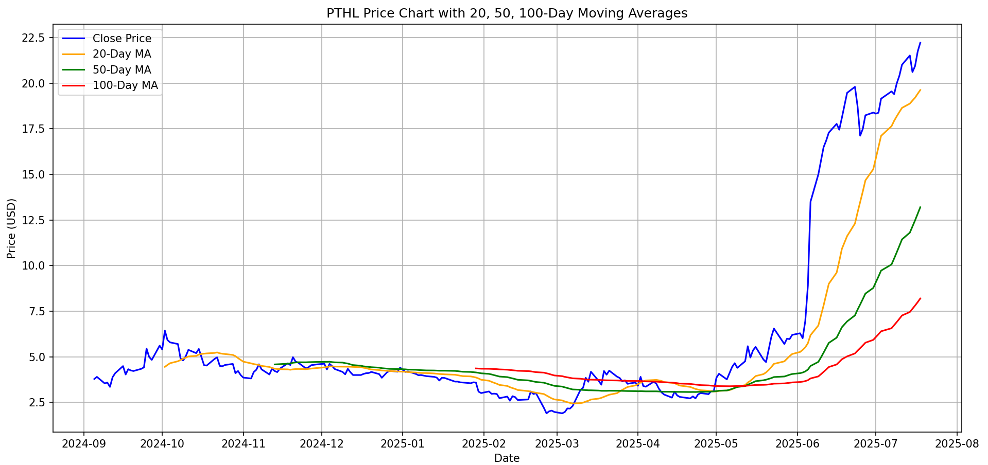
 | Chart: Moving Averages (20D, 50D, 100D) |  |  |  |  |  | CLICK FOR
 |  |  |  |  |  |  | PYTHON CODE
 | 1 | Technical Structure Analysis:

Current Market Signal: MA Alignment Holding Strong
As of July 20, 2025:
Price continues to hold well above all 3 major MAs (20D > 50D > 100D)
Slopes are still expanding
confirming acceleration, not exhaustion Suggests trend is intact across all timeframes:
Short-term traders: may trail stop using 20D MA
Swing/position traders: setup still supports breakout continuation
 | Golden Cross triggered around May 10–15, 2025
 | 20-Day MA crossed above 50D and 100D, confirming a bullish reversal
 | Close price surged from ~$5 to over $22 post-crossover
 | MA alignment = 20D > 50D > 100D (textbook uptrend structure)

 | 2 | Trend Confirmation:

 | All MAs are sloping upward with increasing separation
 | Pullbacks held at 20D MA throughout June, sign of institutional support
 | Price consistently closed above all 3 MAs for 6+ weeks

 | 3 | Momentum Interpretation:

Golden Crossover occurred around: May 10–15, 2025 Confirmed by: 20-Day MA moving above both 50- and 100-Day MAs Outcome: Triggered a high-volume breakout from $5 to $20+
(A Golden cross is a pattern that occurs on a chart when a short-term moving average crosses over a longer-term moving average to the upside)
 | MA spread widening → signals acceleration, not exhaustion |  |  |  |  |  | ANALYST REPORT
 | Slopes suggest strong conviction across short, swing, and long-term timeframes
 | Reinforces alignment with the fundamental breakout thesis
 |  |  |  |  |  |  | Interpretation |  |  |  | MA Spread Table (Momentum Acceleration)
 | 4 | Risk Management Signal: |  |  |  |  | Moving Avg | Slope / Structure | Implication |  | Date | 20D - 50D Spread | 50D - 100D Spread
 |  |  |  |  |  |  | 20-Day MA | Steep upward | Strong short-term momentum |  | May 10, 2025 | 0.42 | 0.18
 | A close below the 20D MA could trigger stop adjustment |  |  |  |  |  | 50-Day MA | Confirming trend | Swing traders validating setup |  | May 25, 2025 | 1.25 | 0.65
 | Watch for MA compression or flatlining; early warning of trend fatigue |  |  |  |  |  | 100-Day MA | Now curving up | Long-term re-rating & fund inflow potential |  | June 10, 2025 | 3.65 | 1.8
 | Until then: structure remains intact for trailing stop + hold |  |  |  |  |  |  |  |  |  | July 1, 2025 | 6.1 | 3.3

 | PHTL Analyst Report – Equity Research Commentary

 | Ticker: NASDAQ:PTHL |  |  | Executive Summary |  |  | PTHL presents a rare alignment of technical setup, macro opportunity, and fundamental catalyst. The stock broke out of its long-term range at $20.77 after forming a bullish MA structure
 | Report Date: July 22, 2025 |  |  |  | (20D > 50D > 100D), confirmed by a Golden Cross event in May. This coincided with institutional flow ahead of an expected 30% equity acquisition by Gilead Sciences (GILD) — a deal that could rapidly re-rate the stock.

 | Analyst Commentary |  |  |  |  |  |  |  |  | Thesis Overview
 | As of July 22, 2025, PHTL remains one of the strongest technical setups in the event-driven small-cap healthcare space. The moving average spread |  |  |  |  |  |  |  |  | PHTL is currently trading at ~$22, with our initial entry at $20.84. We maintain a long position based on a
 | continues to widen, confirming momentum, while price action remains structurally bullish. With the GILD catalyst active and institutional flow building, |  |  |  |  |  |  |  |  | high-conviction, event-driven setup rooted in three key areas: a pending Gilead equity stake, untapped TAM in
 | this is a classic asymmetrical risk/reward setup. We maintain the long and will continue to trail our stop using the 20D MA. A breakdown below $21.00 |  |  |  |  |  |  |  |  | precision oncology (particularly China), and textbook bullish technical structure with institutional momentum building
 | would warrant exit review. Until then, structure, story, and sentiment remain aligned. |  |  |  |  |  |  |  |  | ahead of a likely announcement.

 | 1 | Market Context |  |  |  |  |  |  |  | 2 | Fundamental Catalyst – GILD Deal

 | Digital health market projected to triple by 2034 (from $36B to $101B)PTHL[1] |  |  |  |  |  |  |  |  | Gilead expected to acquire 30% equity stake
 | TPS therapy penetration in China is still below 40% vs. 70% in developed economies |  |  |  |  |  |  |  |  | $60M–$80M upfront payment
 | AI in oncology and integrated digital therapy are becoming standard — PTHL’s technology fits directly in this trajectory |  |  |  |  |  |  |  |  | GILD to help PTHL scale AI-drug combos and international rollout
 | “PTHL’s radiotherapy system will be deeply integrated with AI, 5G, and blockchain, enabling precision |  |  |  |  |  |  |  |  | Estimated TAM capture: 15–20% of global precision oncology market
 | oncology solutions across public hospitals and emerging markets.”PTHL[1] |  |  |  |  |  |  |  |  | Projected market cap: $1B–$1.5B | Implied price target: $48–$55

 | 3 | Technical Trade Setup |  |  |  |  |  |  |  | Analyst Commentary II

 | Entry Executed: $20.84 |  |  |  |  |  |  |  |  | This is one of the cleanest long setups I’ve seen this year. PTHL’s technicals are not just strong, they align with a real
 | Breakout Confirmed: Price surged to $22.44 with higher lows |  |  |  |  |  |  |  |  | catalyst and a clear market narrative: digitized, AI-driven oncology. We’re not just betting on hype, we’re betting on
 | P&L (Unrealized): +£3,936.94 |  |  |  |  |  |  |  |  | infrastructure. The GILD deal would instantly rerate this name and trigger both fundamental and algorithmic capital flow.
 | Trend Structure: Golden Cross (20 > 50 > 100), strong upward slope |  |  |  |  |  |  |  |  | Until the price closes below the 20-day MA, the structure is intact, and the upside is still asymmetric.
 | Momentum: Increasing MA spreads, supporting trend continuation
 | Risk Level: Controlled via stop raise to $21.25

UPST
 | Stock Market Trading Thesis - July 2025 |  |  |  |  |  |  |  |  |  | TICKERS : PTHL & USPT |  |  |  |  |  | Disclaimer
 | Produced By Moses & Theodore |  |  |  |  |  |  |  | Catalyst Summary | Metrics & Fundamnetals | Live Trading Chart | MA 20,50,100 DAY Chart | Analyst Report

 | Catalyst Summary |  |  |  |  |  |  |  | Metrics and Fundamentals

 | 1 | AI-Powered Credit Expansion |  |  |  |  |  |  | Current Price: $77.25 | Target Price: $90.00 – $100.00

 | Upstart's AI underwriting platform automates 92% of loans. The firm is replacing traditional FICO scores with a more |  |  |  |  |  |  |  | Upside: 16% – 29% | Investment Period: 10–15 Trading Day
 | nuanced model based on education, employment, and behavioral data, improving conversion
 | from 14% → 19%. Its next-gen model embeddings also detect borrower behavior patterns across products, strengthening |  |  |  |  |  |  |  | Key Product: AI-Driven Loan Underwriting Platform | Market Cap Est.:$7.5B – $8.2B
 | its edge in identifying risk.

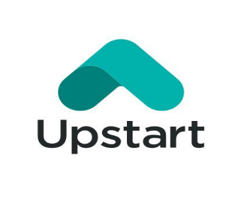
 | 2 | Strategic Partnerships & Distribution Growth |  |  |  |  |  |  | Partnership: Cobalt Credit Union, All In Credit Union
 |  |  |  |  |  |  |  |  | Sector: FinTech / AI Lending
 | Recent deals with Cobalt Credit Union (June 25) and All In Credit Union highlight how UPST is securing low- |  |  |  |  |  |  |  | Geographic Focus: Focus: U.S. / Nationwide + Credit Union Penetration
 | cost capital while extending digital loan offerings like auto refinance, HELOCs, and personal loans. >50% of |  |  |  |  |  |  |  | Short Float: 20.07%
 | volume now comes from committed capital. |  |  |  |  |  |  |  | Institutional Backing is increasing → now >50% of loan volume backed by committed capital

 |  |  |  |  |  |  |  |  | NASDAQ | Position Details: Long |  |  | Position Details: Short
 |  |  |  |  |  |  |  |  | Trade Value |  |  | 27,688.71 GBP (4:1 leverage) |  |  |  | 23,574.38 GBP (2:1 leverage)
 | 3 | Multi-Vertical Momentum + Hedge Fund Attention |  |  |  |  |  |  | Entry Price |  |  | $65.40 |  |  |  | $78.84
 |  |  |  |  |  |  |  |  | Position Size |  |  | 581 QTY shares |  |  |  | 581 QTY shares
 | HELOC originations are up 52%, auto loans up 42% QoQ, and small-dollar loans nearly tripled YoY. Hedge |  |  |  |  |  |  |  | Broker |  |  | TradingView |  |  |  | TradingView
 | funds (33 holders) are rotating into UPST as one of the top AI-lending plays, ranking it 4th in “Best AI Stocks |  |  |  |  |  |  |  | Trade Date |  |  | 2025-06-30 |  |  |  | 2025-07-11
 | to Buy”. |  |  |  |  |  |  |  | Unrealized P&L (GBP) at 01:53 22/07/2025 |  |  | £5780.88 (closed) |  |  |  | £3327.49 (closed)
 |  |  |  |  |  |  |  |  | Trade Type |  |  | Long |  |  |  | Short
 |  |  |  |  |  |  |  |  | Holding Status |  |  | Closed on 11/07/2025 |  |  |  | Closed on 14/07/2025

 | Technical Analysis: Chart Breakdown
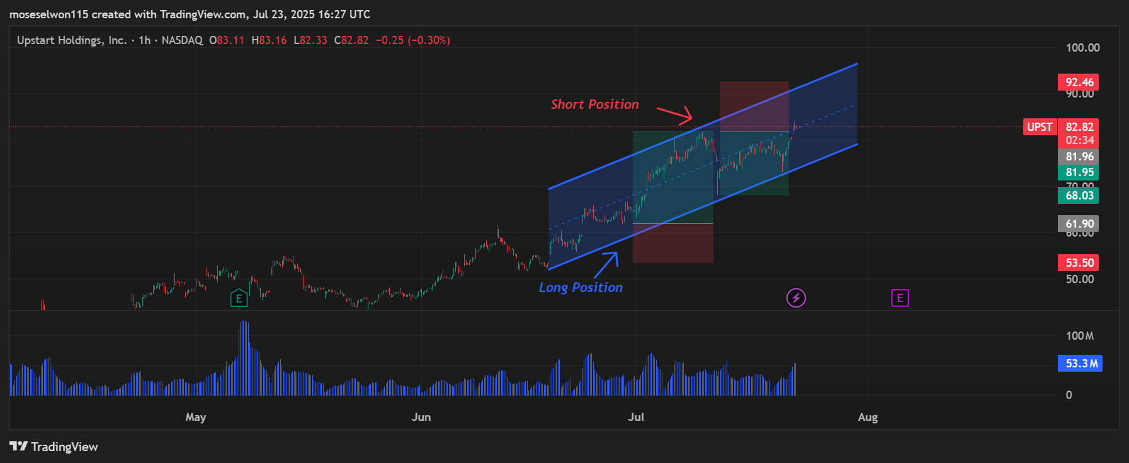
 | Chart : Live TradingView (1 Hr)

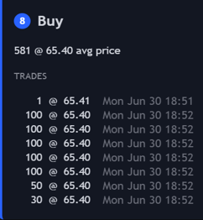
 | 1 | Trade Analysis:
 | Long trade was executed on a high-conviction bounce off the lower trendline (blue arrows),
 | with strong bullish engulfing candles and elevated volume confirming institutional
 | accumulation. Exit near upper channel rejection around $78.84 was precise, profit booked
 | into strength right before distribution began

 | 2 | Holding Strength:
 | Trade held through pullbacks with higher lows respecting the rising lower channel,
 | No breakdown in structure. P&L remained green, and volume suggested steady demand
Executed long off channel base with rising volume, confirmed by strong price/volume divergence. Booked profit at resistance near exhaustion wick. Reversed short at top of trend channel. Two-sided trade: clean structure, clear emotion.
 | without major exit signals. Trade confidence was high based on structural integrity.

 | 3 | Key Zones to Watch:
 | Support: $72.00, then $68.50 (lower channel + volume shelf)
 | Resistance: $79.99, psychological $82.00
 | Price is flirting with prior high at $80.00. Reclaim and retest could fuel another breakout.
 | However, failure to hold trendline could trigger a revisit to $72 zone.
 | These are your trigger levels

 | 4 | Trade Management Suggestion:
 | Price is currently near the top of the channel with fading volume. A fade/retest short
 | could be viable if weakness confirms. Otherwise, wait for pullback into $74–$72
 | with bullish absorption to re-enter long. Manage stops below channel base or last bullish engulf.
 | Lesson: Balance between momentum breakout entries and mean-reversion swing shorts yields opportunity across cycles.

 | Bull vs Bear |  |  |  |  | Strategic Summary |  |  | Valuation Scenarios |  |  | Trade Timeline
 | Scenario | Target Price | Assumption |  |  | Element | Observation |  | Bull Case | Bear Case |  | Date | Event | Price | Note
 | Conservative | $68.00 | Price reverts to mean after failed breakout. |  |  | Trend Structure | Higher highs into prior resistance zone. |  | AI adoption continues + strong loan origination | Rate hike pressure weakens consumer lending |  | 30-Jun-25 | Long Entry | $65.40 | Breakout above consolidation
 | Base Case | $75.00 | Technical pullback before reclaiming trend. |  |  | Entry Confirmation | Breakout long confirmed via consolidation; short into failed retest. |  | Hedge fund rotation continues | Market fails to price in competition risks |  | 11-Jul-25 | Long Exit / Short Entry | $78.84 | Resistance tapped + candle rejection
 | Bull Case | $85.00+ | Trend continuation above $80.74 with strong volume + positive catalysts. |  |  | Momentum | Strong rally followed by bearish divergence on top. |  | Strong results from verticals (auto, HELOC) | Margins erode due to aggressive expansion tactics |  | 14-Jul-25 | Short Exit | $68.12 | Covered into support; technical pullback ends
 |  |  |  |  |  | Live Position | Trade was closed; captured key rotation profit on both sides. |  | Momentum re-ignites on earnings beat | Fade continues if $80 fails again
 |  |  |  |  |  | Risk Management | Long: Trailed above structure; Short: Defined stop at breakout high.

Trend Structure: 20/50/100-Day MA Alignment
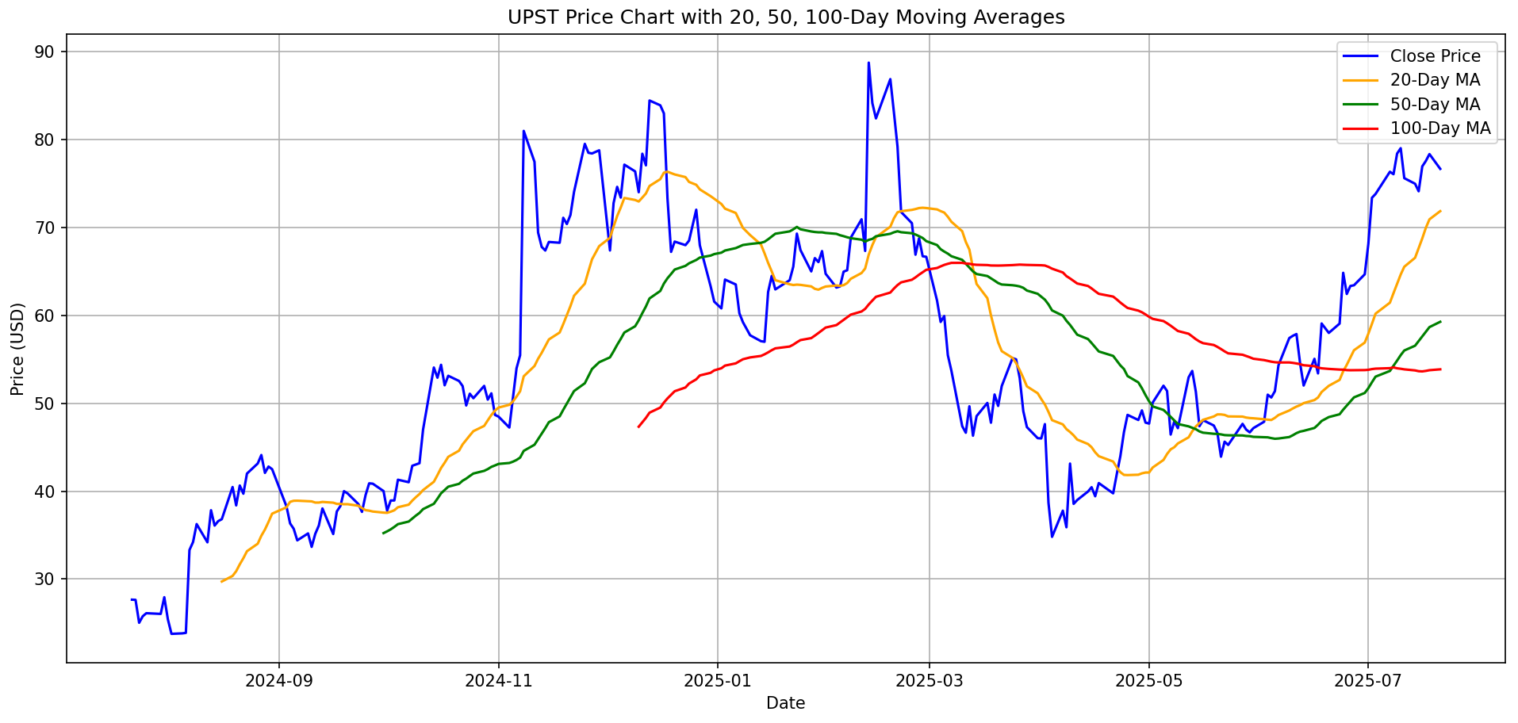
Current Market Signal: Rounded Golden Cross As of July 20, 2025:
A rare Rounded Golden Cross formed late May, early June as the 20D MA re-crossed upward over the 50D and 100D after a failed initial cross.
All three MAs are now in bullish alignment: 20D > 50D > 100D
The 20D MA has steep upward slope, validating strong near-term trend
Reinforces conviction behind recent breakout through $75
Setup supports continuation targeting $85+ in next leg
Momentum and structure both confirming a shift from base to breakout mode
 | Chart: Moving Averages (20D, 50D, 100D) |  |  |  |  |  | CLICK FOR
 |  |  |  |  |  |  | PYTHON CODE
 | 1 | Technical Structure Analysis:
 | In late March 2025, a rare convergence occurred where the 20D, 50D, and 100D MAs
 | compressed and crossed almost simultaneously. This “MA Compression Pivot”
 | reflected exhaustion in the prevailing downtrend and signaled potential structural
 | change. Shortly after, the 20D MA bottomed and began sloping upward, marking a
 | pseudo golden crossover as price rebounded. This inflection launched a multi-week
 | bullish trend, validating a trend reversal structure.

 | 2 | Trend Confirmation:
 | Following the convergence, all three MAs began fanning upward. By mid-May, the
 | 20D had firmly reclaimed leadership, sitting above the 50D and 100D. Price consistently
 | traded above all three MAs into July, confirming trend alignment across short-,
 | mid-, and long-term views. Pullbacks respected the rising 20D and 50D MAs,
 | reinforcing confidence in sustained momentum.

 | 3 | Momentum Interpretation:
 | MA spreads began widening post-April, especially between the 20D and 100D, confirming that
 | momentum was not just rebounding but accelerating. This divergence signals growing institutional |  |  |  |  |  |  | ANALYST REPORT
 | positioning and reinforces bullish conviction. The 20D’s steep trajectory suggests powerful short-term
Rounded Golden Cross” (Late May – Early June 2025): After a reset in March, the 20-Day MA turned upward in late May, gradually reclaiming 50D and 100D. This rounded slope confirmed trend reversal, forming a delayed but powerful breakout setup
 | momentum, while the 50D’s curve validates intermediate strength. Overall: strong, accelerating trend velocity.
 |  |  |  |  |  |  | Interpretation |  |  |  | MA Spread Table (Momentum Acceleration)
 | 4 | Risk Management Signal: |  |  |  |  | Moving Avg | Slope / Structure | Implication |  | Date | 20D - 50D Spread | 50D - 100D Spread
 | A breakdown below the 20D MA could serve as a first cautionary flag for short-term bulls. |  |  |  |  |  | 20-Day MA | Parabolic upward | Strong short-term momentum; traders chasing trend |  | June 15, 2025 | 0.65 | 0.18
 | Loss of the 50D would weaken mid-term conviction. Compression between the 20D and |  |  |  |  |  | 50-Day MA | Recovering & curling upward | Medium-term setup confirmation for position traders |  | June 25, 2025 | 2.4 | 0.85
 | 50D (as seen in March) is a key watch signal for potential pivots. Until then, trailing |  |  |  |  |  | 100-Day MA | Flattened, starting to lift | Long-term bottoming, potential fund re-entry |  | July 5, 2025 | 4.95 | 2.1
 | stops can be managed beneath the 20D MA for trend followers, or tighter under the |  |  |  |  |  |  |  |  |  | July 20, 2025 | 6.9 | 3.75
 | 50D for risk-averse positioning.

 | UPST Analyst Report – Equity Research Commentary

 | Ticker: NASDAQ:UPST |  |  | Executive Summary |  |  | UPST offers a rare alignment of technical trend reversal, macro interest rate disinflation, and thematic AI tailwinds. The recent "Rounded Golden Cross" in late May–early June saw all major moving averages
 | Report Date: July 23, 2025 |  |  |  | (20D > 50D > 100D) cross upward simultaneously, indicating a shift from distribution to accumulation. The setup is now being confirmed with strong volume, tight pullbacks, and breakout structure. This pattern, combined with hedge
 |  |  |  |  | fund AI reallocation, could drive sustained rerating.

 | Analyst Commentary |  |  |  |  |  |  |  |  | Thesis Overview
 | As of July 22, 2025, UPST presents one of the most technically aligned AI lending setups in the market. A Rounded Golden Cross has emerged as all major |  |  |  |  |  |  |  |  | We maintain a long position in UPST, backed by a confluence of factors:
 | moving averages converge and re-align upward (20D > 50D > 100D), signaling a shift from short-term weakness to renewed strength. The breakout from $48 |  |  |  |  |  |  |  |  | 1. Technical structure inflection after 12 months of decline | |  |  | 2. AI lending narrative resurgence with falling Treasury yields
 | and consistent support along the 20D MA confirm institutional re-engagement. Volume has picked up into rising prices, while small pullbacks have held |  |  |  |  |  |  |  |  | 3. Volume confirmation post-moving average breakout
 | structure, suggesting algorithmic support. The rounded crossover and sharp slope steepening suggest the uptrend is gaining velocity. We continue to hold |  |  |  |  |  |  |  |  | With algorithmic trend followers rotating into AI-driven credit models, and fintech valuations rebounding, UPST is well-positioned
 | long with our stop trailed using the 50D MA. A break below the 50D with heavy volume would trigger a reassessment. Until then, the trade structure remains |  |  |  |  |  |  |  |  | to lead a relative strength rally within its sector. Price currently trades near $79 with upside potential to $92–$100 if the MA
 | intact and conviction is backed by multi-timeframe trend alignment and hedge fund rotation. |  |  |  |  |  |  |  |  | alignment continues expanding.

 | 1 | Market Context |  |  |  |  |  |  |  | 2 | Fundamental Catalyst –

 | AI lending platforms are gaining renewed investor attention after a Q2 rally in enterprise software and rate-sensitive growth names |  |  |  |  |  |  |  |  | Rising institutional ownership and reported hedge fund exposure post-Q2 13F filings
 | UPST is positioned at the intersection of AI credit models and consumer finance, two segments that are cyclically depressed but structurally resilient |  |  |  |  |  |  |  |  | Potential return of loan origination growth as consumer delinquencies normalize
 | The shift in US 10-year yields from 5.1% to 4.25% in Q2 has lifted all duration-sensitive assets, with UPST seeing one of the |  |  |  |  |  |  |  |  | Early signals of new partnerships with regional banks amid tighter credit conditions
 | sharpest re-ratings in software |  |  |  |  |  |  |  |  | Industry chatter around a possible strategic partnership or investment by a legacy financial institution (unconfirmed)
 | "What Tesla was to EVs, Upstart is to AI lending—undervalued, misunderstood, but technologically ahead of its peers.”

 | 3 | Technical Trade Setup |  |  |  |  |  |  |  | Analyst Commentary II

 | Entry Executed: $65.40 (Long), exit $78.84 → P&L: +£897.55 |  |  |  |  |  |  |  |  | This setup is incredibly clean. We’re not just seeing a bullish crossover, we’re seeing institutional follow-through. This isn’t a
 | Second Position: Short at $78.84 → exit $68.12 → P&L: +£684.40 |  |  |  |  |  |  |  |  | meme rally or a beta-chase. This is structural rotation. The fact that UPST shook off Q1 macro headwinds and realigned its trend
 | Trade thesis based on breakout above mid-channel support |  |  |  |  |  |  |  |  | profile tells you smart money is repositioning. The rounded Golden Cross is rare, and it reflects real accumulation. Until the 50D
 | Trend Structure: Rounded Golden Cross (20D > 50D > 100D) |  |  |  |  |  |  |  |  | MA breaks, this is a hold. And if it accelerates into $90+, we’ll reassess valuation from a rerating lens rather than a trade lens.
 | Momentum: Expanding MA spreads with steep 20D slope
 | Risk Level: Exit/re-entry managed based on channel boundary and 50D trailing MA

